Sheet1
How to Place an Order

1. Fill in the form indicating what items you would like to purchase, and the quantity of these items. The prices displayed include HST.

2. Include your Name, E-mail Address, and Mailing Address in the contact section below. After placing your first order, we will create a customer profile for you. You will receive a client ID number to use for future orders, and we will have a record of what plant babes you purchased and when, and this will help us provide ongoing support for your plant babes. All customer information that we collect is kept confidential. Please see our Privacy Policy located on Plant's website for details of how your data is used.

3. Once you have completed your order form, attach this file and e-mail to contact@plantguelph.com.

4. Send payment via e-transfer to contact@plantguelph.com. Your order total is listed on the final page. In the message of your e-transfer, you MUST include your name and contact information again. Once we have received both your order form and payment, we will deposit the funds, and you will receive an e-mailed receipt of your purchase. Please use password Plant Guelph.

5. Once your order arrives at the store, we will text or call to arrange pick-up or delivery. Orders less than $75 will be curbside pick-up, orders over $75 can be delivered (in Guelph only), or curbside pick-up depending on your preference.

Please be advised that while we strive to maintain constancy, due to plants' organic nature, the quantity, colours, shapes, or sizes may vary from previous orders. We encourage you to perform a quick Google search to find pictures of plants you are unfamiliar with.

Please be advised that while we strive to maintain constancy, due to plants' organic nature, the quantity, colours, shapes, or sizes may vary from previous orders. We encourage you to perform a quick Google search to find pictures of plants you are unfamiliar with.

Note: You are not required to fill out this contact section if you have already done so for the plant order form.

First Name |  |  |  | Last Name

Email Address

Phone Number

Mailing Address

Medium Size Pots (3.5"-5.5")

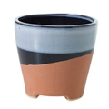 |  | 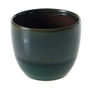 |  | 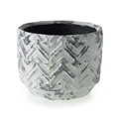 |  | 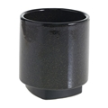

4.5" Azteca |  | 4.75" Briza |  | 4" Chevy |  | 4" Croix
Price | $13.56 | Price | $16.95 | Price | $9.04 | Price | $15.82
Quantity |  | Quantity |  | Quantity |  | Quantity
Total | $- | Total | $- | Total | $- | Total | $-

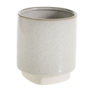
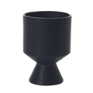
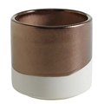
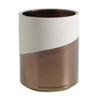

4" Croix |  | 4.57" De Vil |  | 4" Doba Short |  | 4" Doba Tall
Price | $15.82 | Price | $19.21 | Price | $13.56 | Price | $15.82
Quantity |  | Quantity |  | Quantity |  | Quantity
Total | $- | Total | $- | Total | $- | Total | $-

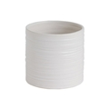
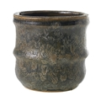
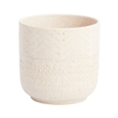
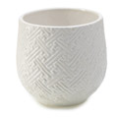

4.5" Everest |  | 4.5" Hudson |  | 4.5" Indo |  | 4.75" Kabasa White
Price | $15.82 | Price | $15.82 | Price | $14.69 | Price | $13.56
Quantity |  | Quantity |  | Quantity |  | Quantity
Total | $- | Total | $- | Total | $- | Total | $-

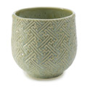
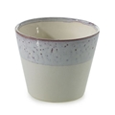
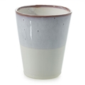
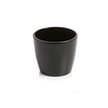

4.75" Kabasa Green |  | 4.5" Lilac |  | 5.5" Lilac |  | 4" Marlow Black
Price | $13.56 | Price | $13.56 | Price | $18.08 | Price | $11.30
Quantity |  | Quantity |  | Quantity |  | Quantity
Total | $- | Total | $- | Total | $- | Total | $-

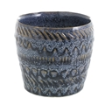
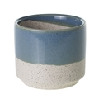
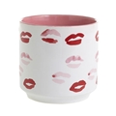
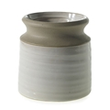

4.25" Menza |  | 4.5" Miguel |  | 4.5" Muah |  | 4" Pottery
Price | $16.95 | Price | $15.82 | Price | $15.82 | Price | $13.56
Quantity |  | Quantity |  | Quantity |  | Quantity
Total | $- | Total | $- | Total | $- | Total | $-

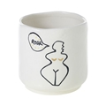
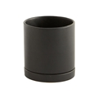
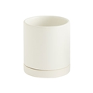

5.25" Pottery |  | 4.5" Roar |  | 5.25" Romey Black |  | 5.25" Romey White
Price | $18.08 | Price | $20.34 | Price | $18.08 | Price | $18.08
Quantity |  | Quantity |  | Quantity |  | Quantity
Total | $- | Total | $- | Total | $- | Total | $-

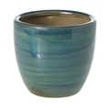
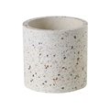
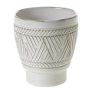
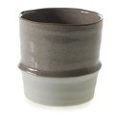

4.5" Stormi |  | 4.5" Terrazzo |  | 4.25" Tribe |  | 4.75" Valley
Price | $15.82 | Price | $18.08 | Price | $16.95 | Price | $16.95
Quantity |  | Quantity |  | Quantity |  | Quantity
Total | $- | Total | $- | Total | $- | Total | $-

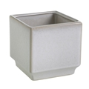
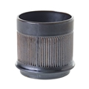
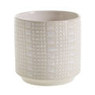
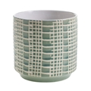

4.75" Verge Cube |  | 4.75" Wescott |  | 4.75" Zati Cream |  | 4.75" Zati Green
Price | $16.95 | Price | $15.82 | Price | $13.56 | Price | $13.56
Quantity |  | Quantity |  | Quantity |  | Quantity
Total | $- | Total | $- | Total | $- | Total | $-

Section Total |  | $-

6" Pots

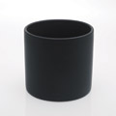
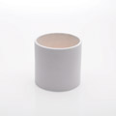

6" Briza |  | 6" Cercle Matte Black |  | 6" Cercle Matte White |  | 6.25" Everest
Price | $22.60 | Price | $24.86 | Price | $24.86 | Price | $27.12
Quantity |  | Quantity |  | Quantity |  | Quantity
Total | $- | Total | $- | Total | $- | Total | $-

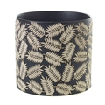
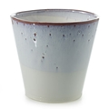

6.5" Folly |  | 6.75" Kabasa Green |  | 6.75" Kabasa White |  | 6.5" Lilac
Price | $28.25 | Price | $24.86 | Price | $24.86 | Price | $27.12
Quantity |  | Quantity |  | Quantity |  | Quantity
Total | $- | Total | $- | Total | $- | Total | $-

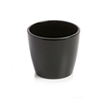

6" Marlow Shiny Black |  | 7" Romey Black |  | 7" Romey White |  | 6.5" Zati Green
Price | $21.47 | Price | $31.64 | Price | $31.64 | Price | $24.86
Quantity |  | Quantity |  | Quantity |  | Quantity
Total | $- | Total | $- | Total | $- | Total | $-

6.5" Zati White
Price | $24.86
Quantity
Total | $-
 |  |  |  | Please e-transfer this amount to contact@plantguelph.com. You may combine totals and send one e-transfer if you are ordering plants also
Section Total |  | $-
ORDER TOTAL |  | $-

